Sheet1
Density of an ideal gas
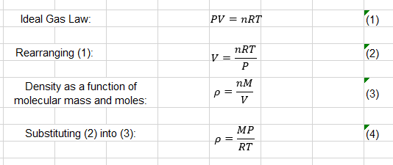
molecular mass (g/mol) | 28.96
temperature (oC) | 20
pressure (barg) | 2.6
density | 4.30

Molecular masses (g/mol)
Air | 28.96
Argon | 39.948
Nitrogen | 28.01

